Sheet1
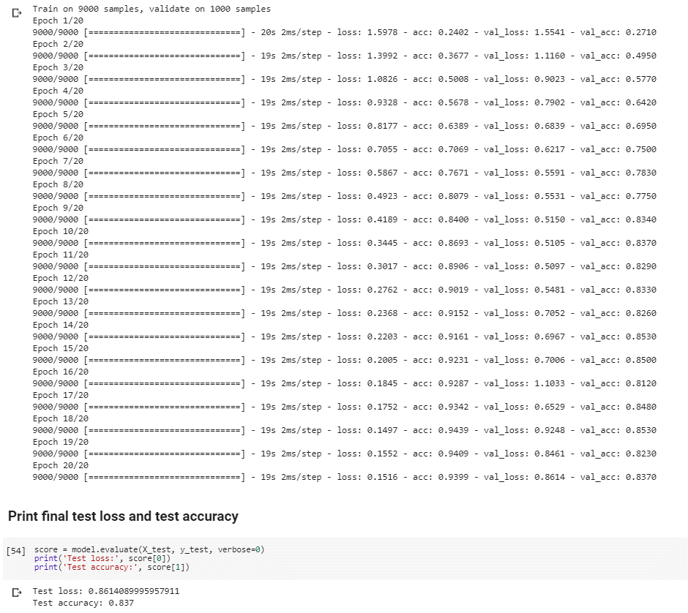
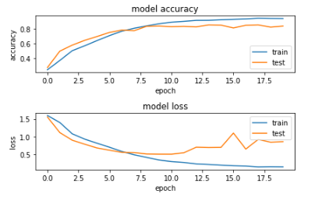
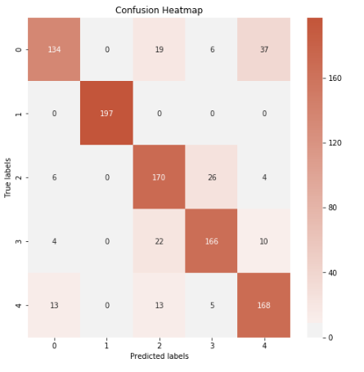
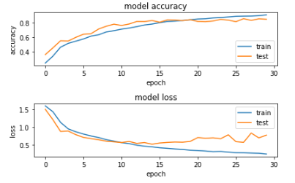
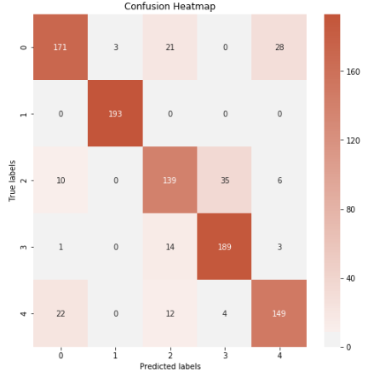
Experiment Results - No Validation Set, No Early Stopping |  |  |  |  |  |  | Experiment Results - No Validation Set, No Early Stopping

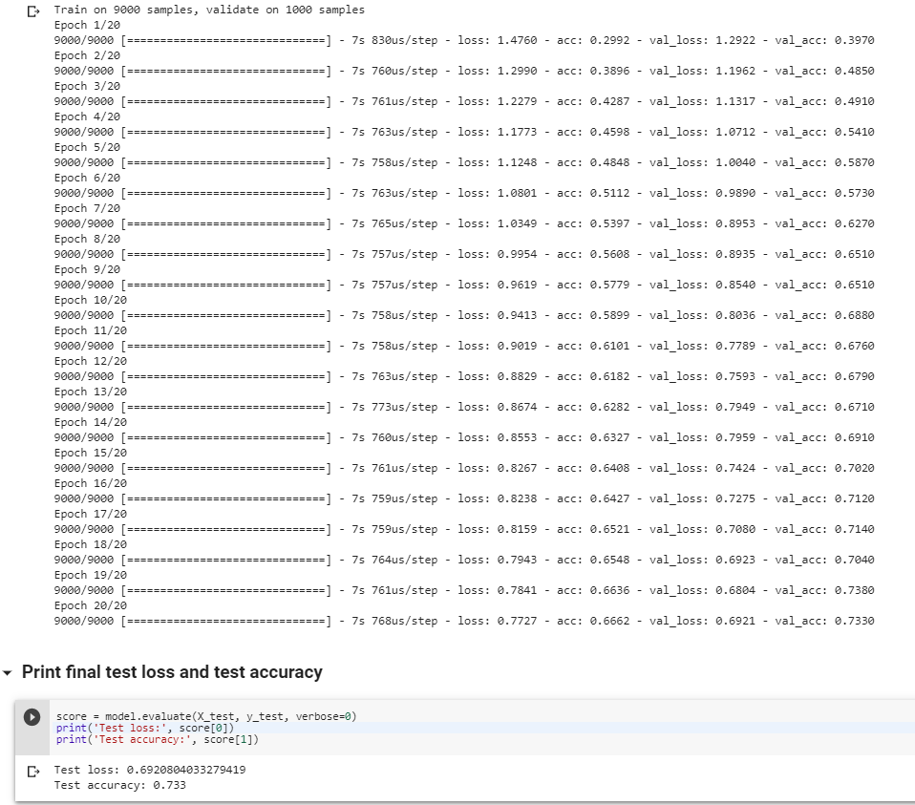
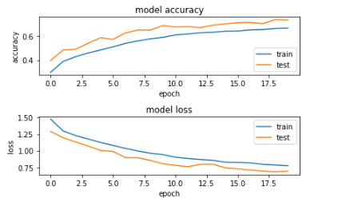
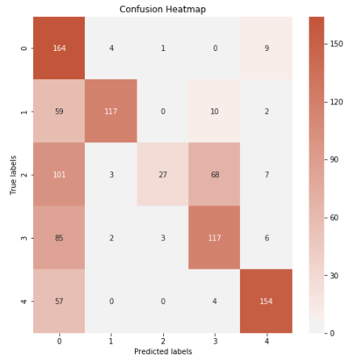
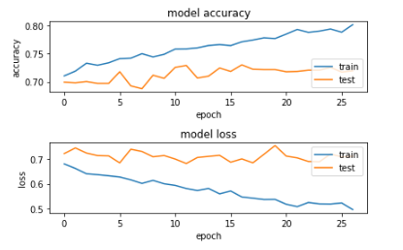
Dataset | Architecture | Train Accuracy | Train Loss | Test Accuracy | Test Loss | Computation time/epoch | Affine | Small
Affine | Small | 66.62% | 0.6921 | 73.30% | 0.6921 | 7 seconds
 | Medium | 82.58% | 0.4015 | 80.30% | 0.6219 | 12 seconds
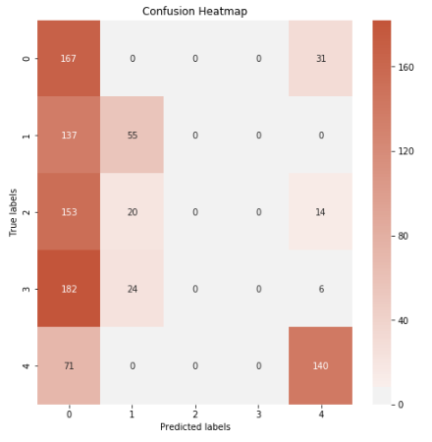
 | Large | 91.81% | 0.2333 | 82.10% | 0.848 | 19 seconds
Elastic | Small | 80.44% | 0.5166 | 84.20% | 0.4663 | 7 seconds
 | Medium | 95.98% | 0.1084 | 93.10% | 0.3867 | 12 seconds
 | Large | 93.58% | 0.1469 | 92.90% | 0.3762 | 19 seconds
Mixed | Small | 78.87% | 0.5103 | 78.30% | 0.5293 | 7 seconds
 | Medium | 92.66% | 0.1745 | 84.70% | 0.5938 | 12 seconds
 | Large | 93.99% | 0.1516 | 83.70% | 0.8614 | 19 seconds

Experiment Results - Train 70%, Validation 20%, Test 10%, Eary Stopping Implemented

Dataset | Architecture | Validation Accuracy | Validation Loss | Test Accuracy | Test Loss | Computation time/epoch
Affine | Small | 73.00% | 0.6999 | 74.00% | 0.6881 | 7 seconds
 | Medium | 79.00% | 0.8591 | 76.80% | 0.914 | 12 seconds
 | Large | 80.67% | 0.9018 | 80.60% | 1.203 | 19 seconds
Elastic | Small | 86.22% | 0.3781 | 88.50% | 0.3851 | 7 seconds
 | Medium | 94.22% | 0.3627 | 93.40% | 0.3778 | 12 seconds
 | Large | 93.57% | 0.5161 | 90.80% | 0.6477 | 19 seconds
Mixed | Small | 84.11% | 0.477 | 81.10% | 0.492 | 7 seconds | Affine | Medium
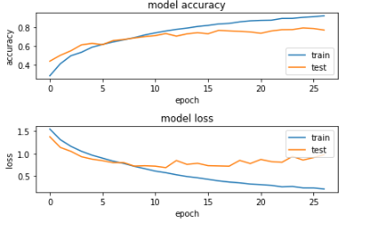
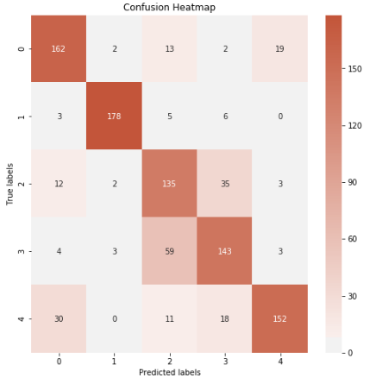
 | Medium | 86.78% | 0.6466 | 82.40% | 0.9882 | 12 seconds
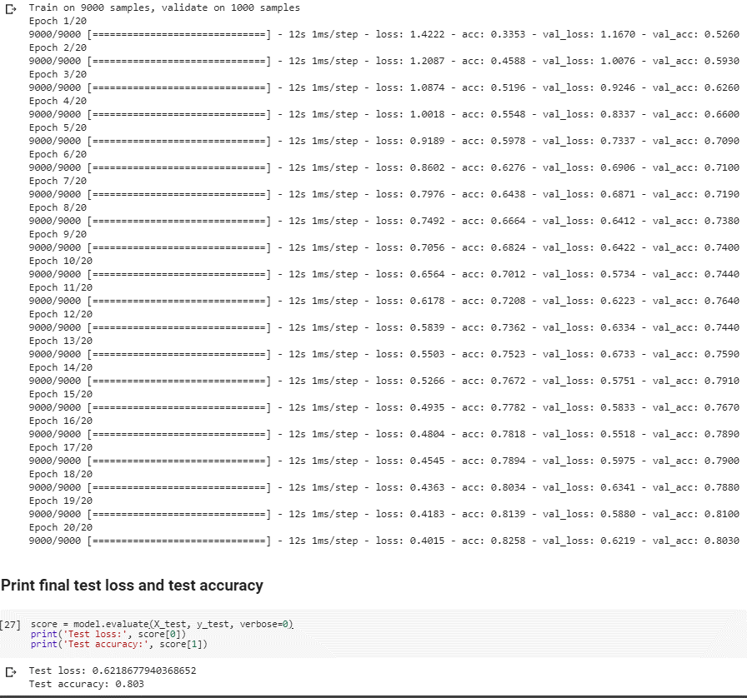
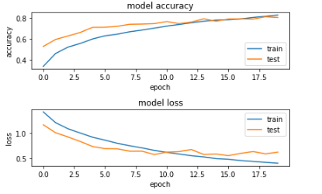
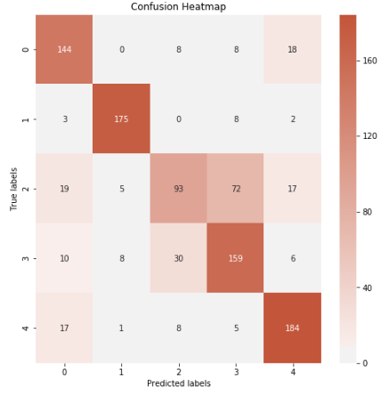
 | Large | 85.89% | 0.5717 | 84.50% | 0.7501 | 19 seconds

Model Accuracy Summary

 |  |  |  |  |  |  | Affine | Large

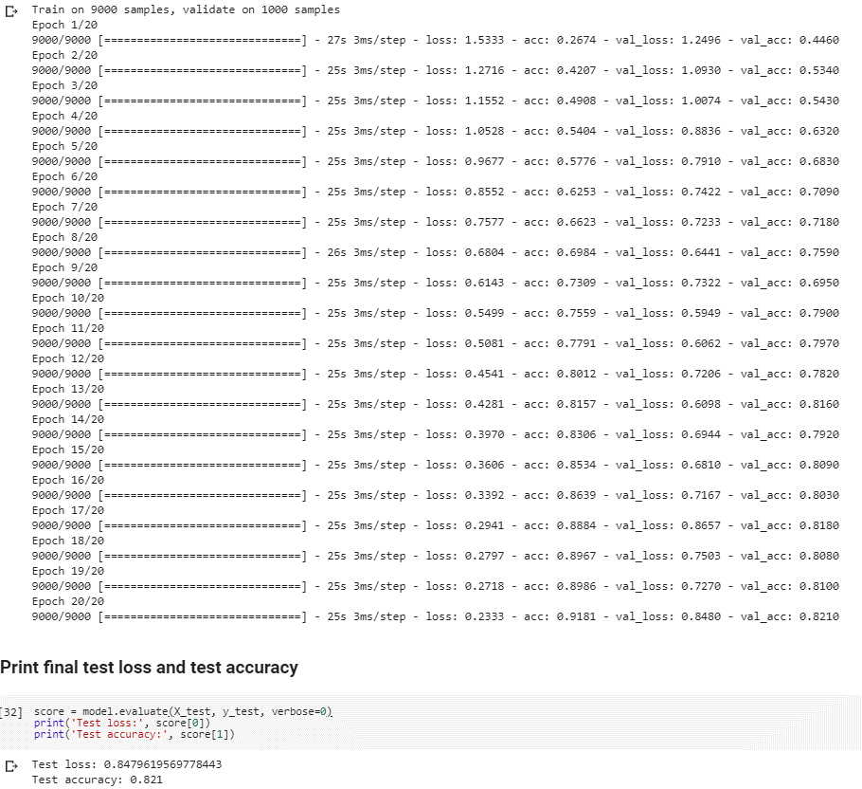
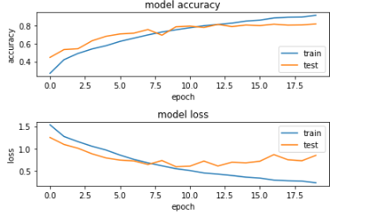
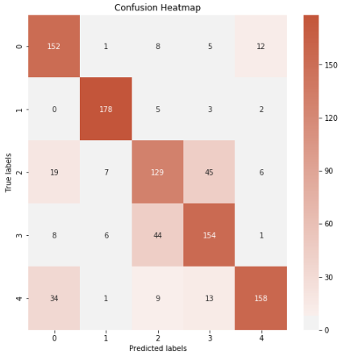
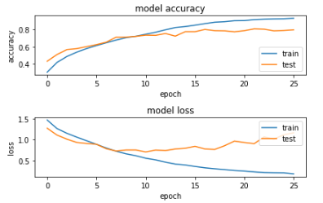
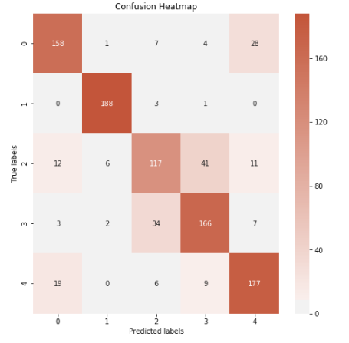

Model Loss Summary

 |  |  |  |  |  |  | Elastic | Small

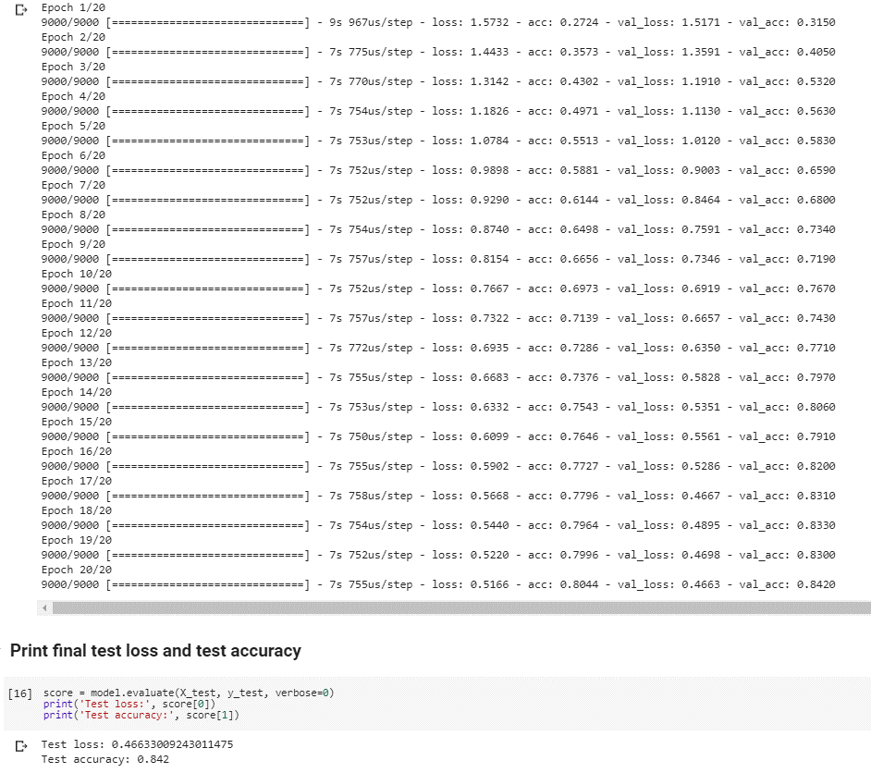
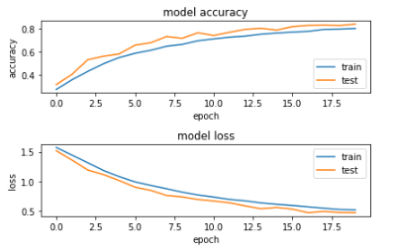
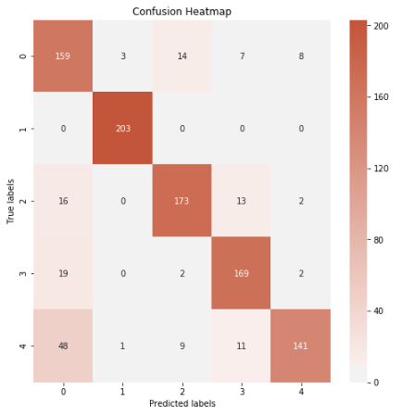
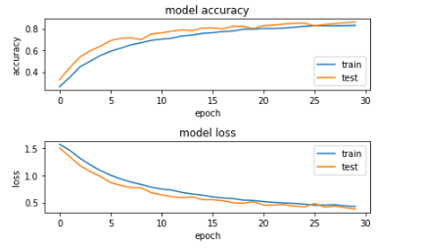
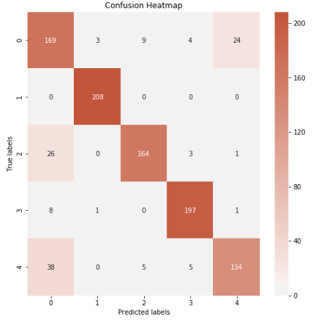

 |  |  |  |  |  |  | Elastic | Medium

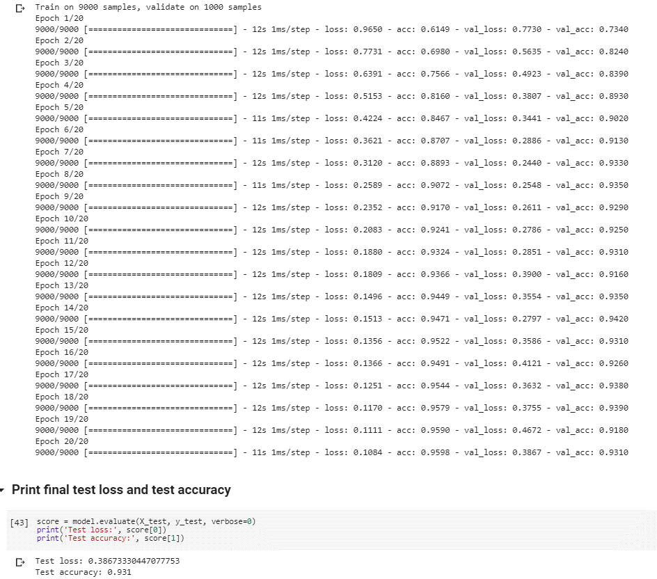
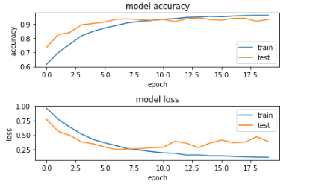
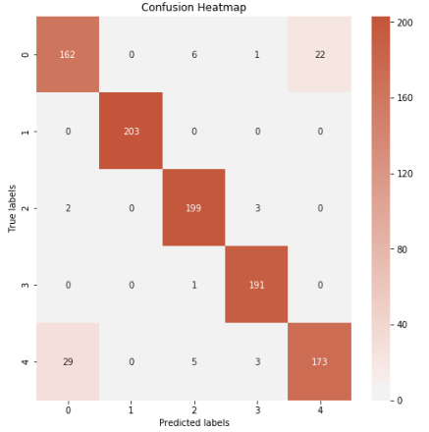
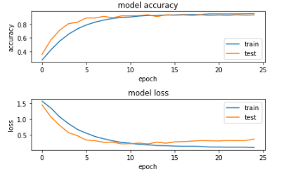
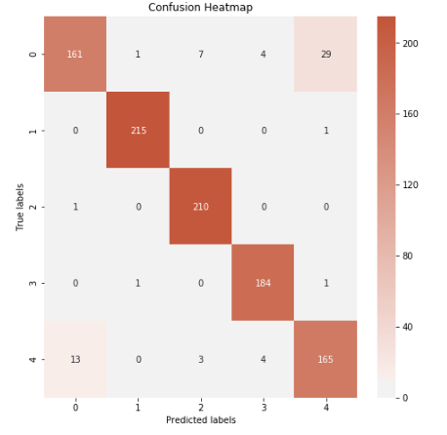

 |  |  |  |  |  |  | Elastic | Large

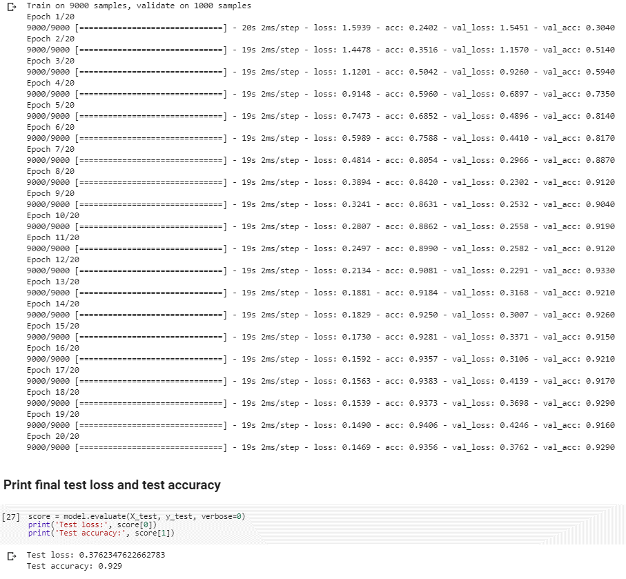

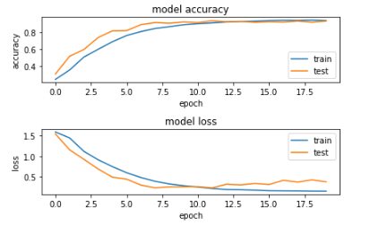
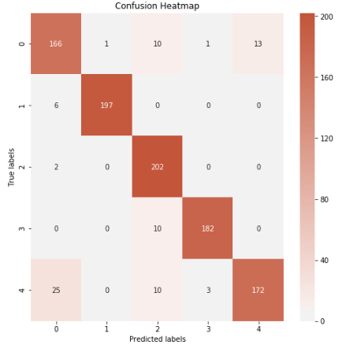
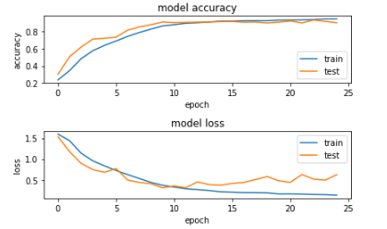
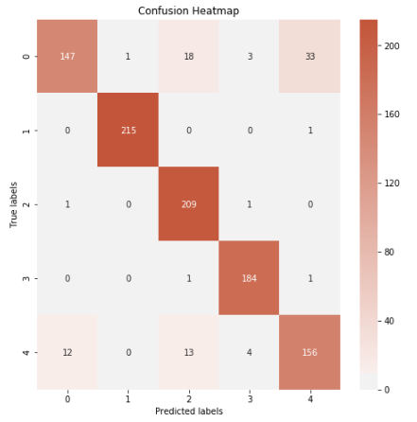

 |  |  |  |  |  |  | Mixed | Small

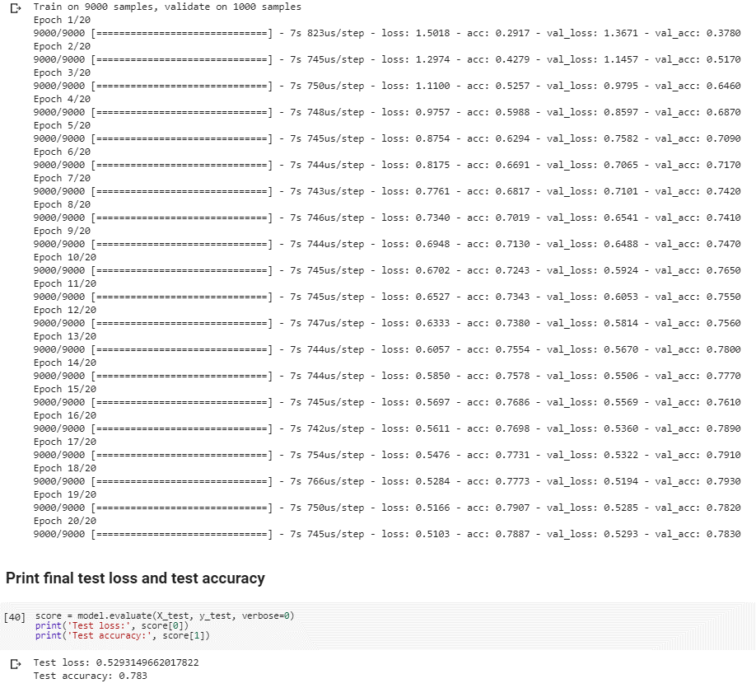
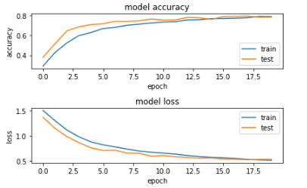
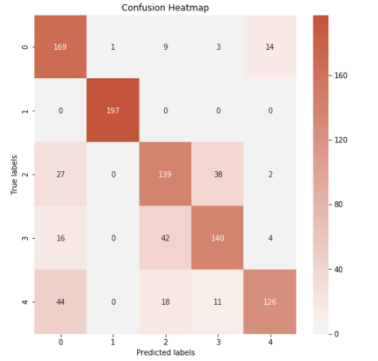
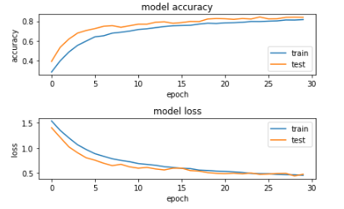
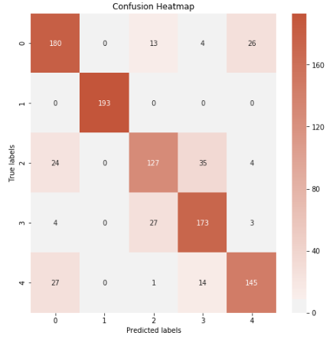

 |  |  |  |  |  |  | Mixed | Medium

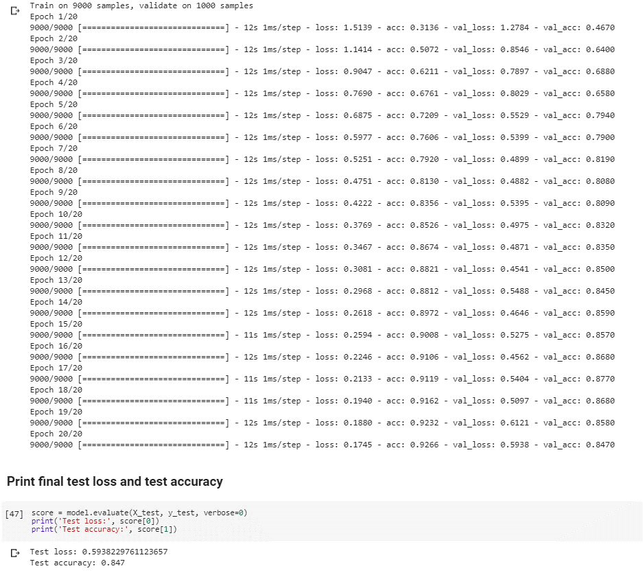
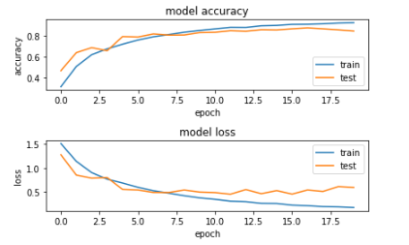
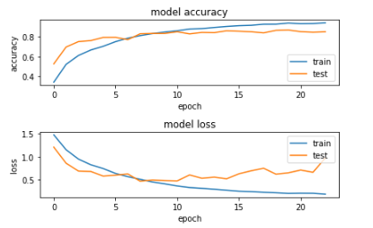
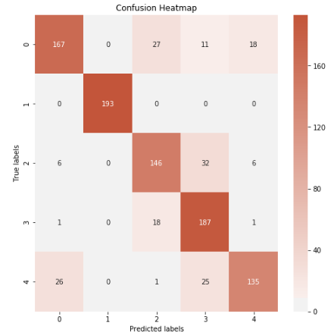
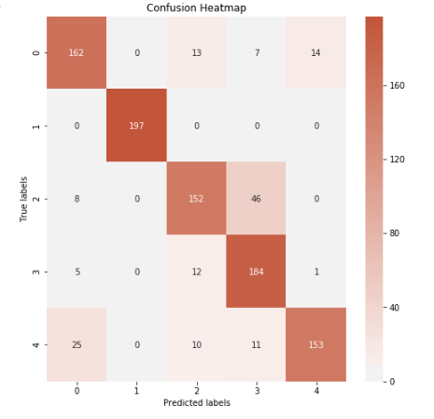

 |  |  |  |  |  |  | Mixed | Large

